CK BOYS
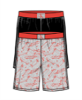
IMAGE | STYLE # | DESCCRIPTION | COLOR | SIZES | AVAILABLE UNITS | Price | UPC'S
 | RHM1128-AS1 | SHORT 2PK | SKATE/BLK |  | 3603 | $7.10
 |  |  |  | L | 621 |  | 193666223163
 |  |  |  | M | 919 |  | 193666223170
 |  |  |  | S | 370 |  | 193666223187
 |  |  |  | XL | 1137 |  | 193666223194
 |  |  |  | XS | 556 |  | 193666223200

 | RU1129R-AS1 | SHORT 2PK | PLMSLVS/HGRY |  | 34 | $7.10
 |  |  |  | L | 0
 |  |  |  | M | 0
 |  |  |  | S | 0
 |  |  |  | XL | 0
 |  |  |  | XS | 34 |  | 193666223354

 | RO1129-AS3 | SHORT 2PK | CITY/BLK |  | 4 | $7.10
 |  |  |  | L | 0
 |  |  |  | M | 0
 |  |  |  | S | 2 |  | 193666223439
 |  |  |  | XL | 0
 |  |  |  | XS | 2 |  | 193666223453

 | RH1129C-AS4 | SHORT 2PK | SHRKS/BLKIRS |  | 19115 | $7.10
 |  |  |  | L | 1692 |  | 193666223460
 |  |  |  | M | 2256 |  | 193666223477
 |  |  |  | S | 4080 |  | 193666223484
 |  |  |  | XL | 10923 |  | 193666223491
 |  |  |  | XS | 164 |  | 193666223507

 | RO1129-AS5 | SHORT 2PK | TIE DYE PACK |  | 3 | $7.10
 |  |  |  | L | 2 |  | 193666614312
 |  |  |  | M | 0
 |  |  |  | S | 1 |  | 193666614350
 |  |  |  | XL | 0
 |  |  |  | XS | 0

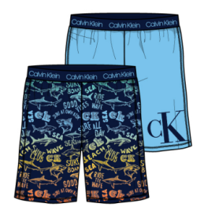
 | RO1129-AS7 | SHORT 2PK | SHRKPK/SKYHGARC |  | 15 | $7.10
 |  |  |  | L | 0
 |  |  |  | M | 0
 |  |  |  | S | 0
 |  |  |  | XL | 10 |  | 196258081356
 |  |  |  | XS | 5 |  | 196258082681

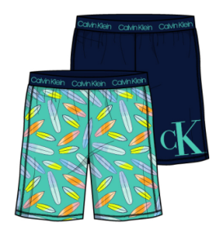
 | RU1129R-AS8 | SHORT 2PK | SRFBRD/BLKIRIS |  | 2 | $7.10
 |  |  |  | L | 0
 |  |  |  | M | 0
 |  |  |  | S | 2 |  | 196258081332
 |  |  |  | XL | 0
 |  |  |  | XS | 0

 | RU1129R-AS9 | SHORT 2PK | PALMTREE/BLK |  | 21 | $7.10
 |  |  |  | L | 0
 |  |  |  | M | 3 |  | 196258081318
 |  |  |  | S | 0
 |  |  |  | XL | 0
 |  |  |  | XS | 18 |  | 196258082704

 | RO4113-700 | SET 2PC THERMAL BMJ | CSTLROCK/GRNPLD |  | 18 | $8.00
 |  |  |  | L | 18 |  | 193666915846
 |  |  |  | M | 0
 |  |  |  | S | 0
 |  |  |  | XL | 0
 |  |  |  | XS | 0

 | RM1130-701 | ROBE | SLTGRYCAMO |  | 1 | $8.00
 |  |  |  | L | 0
 |  |  |  | M | 0
 |  |  |  | S | 0
 |  |  |  | XL | 1 |  | 196258373505
 |  |  |  | XS | 0

 | RHH1130-702 | ROBE | GRYSTRBLT |  | 2 | $8.00
 |  |  |  | L | 0
 |  |  |  | M | 0
 |  |  |  | S | 2 |  | 196258295531
 |  |  |  | XL | 0
 |  |  |  | XS | 0

 | RHH1131-702 | SET 2PC | NVYSEAL/CKBLPLD |  | 13 | $8.00
 |  |  |  | L | 0
 |  |  |  | M | 0
 |  |  |  | S | 7 |  | 193666400731
 |  |  |  | XL | 6 |  | 193666400748
 |  |  |  | XS | 0

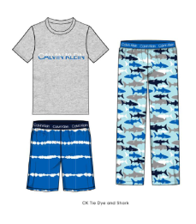
 | RM1809C-702 | SET 3PC | TIEDYE/SHARK |  | 45 | $8.00
 |  |  |  | L | 0
 |  |  |  | M | 0
 |  |  |  | S | 0
 |  |  |  | XL | 0
 |  |  |  | XS | 45 |  | 193666614121

 | RO4113-702 | SET 2PC | WWZRRED/CK LOGO |  | 26 | $8.00
 |  |  |  | L | 24 |  | 193666915921
 |  |  |  | M | 0
 |  |  |  | S | 1 |  | 193666915945
 |  |  |  | XL | 1 |  | 193666915952

 | RHH1131-703 | SET 2PC | NAVY CAMO |  | 6 | $8.00
 |  |  |  | L | 6 |  | 193666884609
 |  |  |  | M | 0
 |  |  |  | S | 0
 |  |  |  | XL | 0

 | RM1131-705 | SET 2PC | WATERCOLOR BLUE LAKE |  | 69 | $8.00
 |  |  |  | L | 20 |  | 196258373550
 |  |  |  | M | 26 |  | 196258373567
 |  |  |  | S | 10 |  | 196258373574
 |  |  |  | XL | 13 |  | 196258373581

 | RO4111-705 | SET 2PC | CLVNBOLTTOSSBLU |  | 60 | $8.00
 |  |  |  | L | 60 |  | 196258301959
 |  |  |  | M | 0
 |  |  |  | S | 0
 |  |  |  | XL | 0

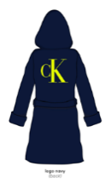
 | RH1130C-700 | ROBE | BLACK IRIS |  | 14 | $8.00
 |  |  |  | L | 0
 |  |  |  | M | 0
 |  |  |  | S | 14 |  | 193666400618
 |  |  |  | XL | 0
 |  |  |  | XS | 0

